Thermal Iterations
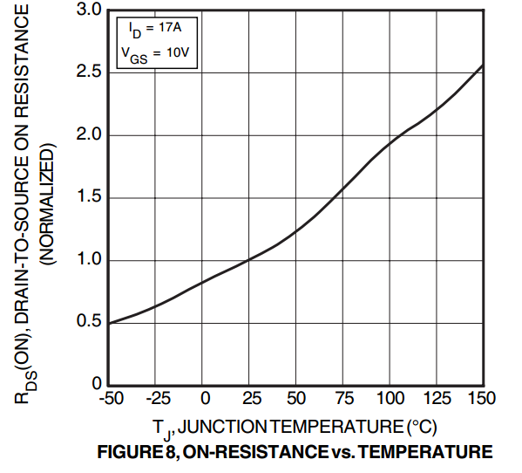
Current | 15 | A
ThetaJS | 2 | C/W | *estimated
RDS-on | 120 | mOhm |  | Tj | x (Rds-on*Rds-on @25C)
Tambient | 25 | C |  | -50 | 0.5
 |  |  |  | 25 | 1
APT34N80LC3G |  |  |  | 50 | 1.25
Iteration | Tj | Rds-on | Power | 75 | 1.55
1 | 25 | 120 | 27 | 100 | 1.9
2 | 79 | 200.388 | 45.0873 | 125 | 2.15
3 | 115.1746 | 245.0998056 | 55.14745626 | 150 | 2.55
4 | 135.29491252 | 269.96851187 | 60.742915172
5 | 146.48583034 | 283.8004863 | 63.855109419
6 | 152.71021884 | 291.49383048 | 65.586111859
7 | 156.17222372 | 295.77286851 | 66.548895416
8 | 158.09779083 | 298.15286947 | 67.08439563
9 | 159.16879126 | 299.476626 | 67.38224085
10 | 159.7644817 | 300.21289938 | 67.547902361
11 | 160.09580472 | 300.62241464 | 67.640043293
12 | 160.28008659 | 300.85018702 | 67.69129208
13 | 160.38258416 | 300.97687402 | 67.719796655
14 | 160.43959331 | 301.04733733 | 67.735650899
15 | 160.4713018 | 301.08652902 | 67.74446903
16 | 160.48893806 | 301.10832744 | 67.749373675
17 | 160.49874735 | 301.12045172 | 67.752101638
18 | 160.50420328 | 301.12719525 | 67.753618931
19 | 160.50723786 | 301.130946 | 67.754462849
20 | 160.5089257 | 301.13303216 | 67.754932237

